Dimension Model
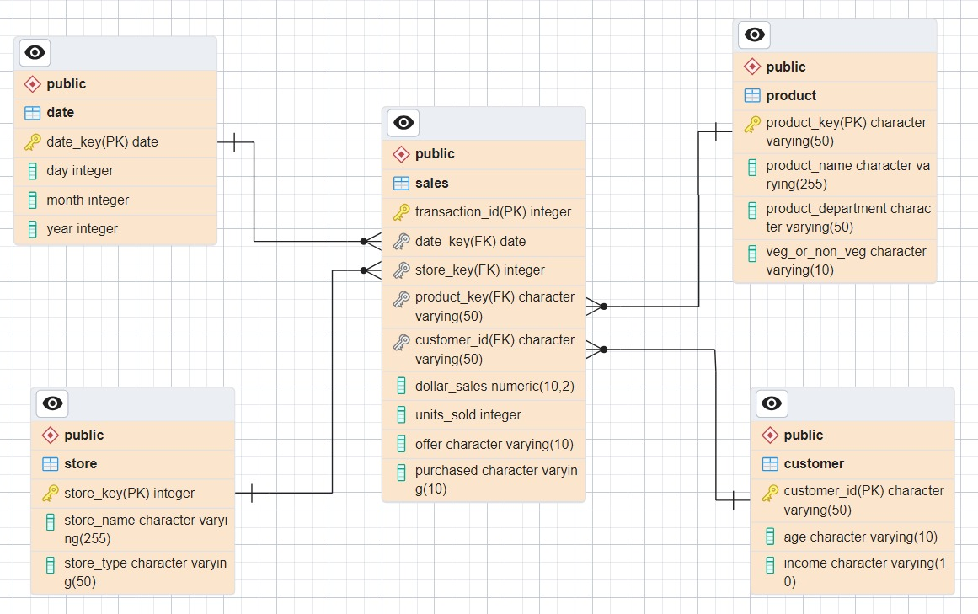
Dimensional Model

